1. Title Page
[Instacart Grocery Basket Analysis

Project Name: Instacart Grocery Basket Analysis
Date: 7/25/2022
Analyst Name: Theresa Parker

Contents:
Population Flow
Consistency checks
Wrangling steps
Column derivations
Visualizations
Recommendations

2. Population Flow
Title page

Population flow

Exclusion flag
Condition: max_order < 5
Obervations to be removed: 1,441,548
Final total count of order_products_all: 30,992,664

Orders_products_combined
Orders_products_merged
Orders_products_all

Total: 32,343,212
Total: 32,494,489
Total: 3,992,664

1.) The grey boxes in the first row of the population flow represent the original data sets as they were when you downloaded them. In the Total fields you need to add the count of the rows when you imported the data set into Jupyter.
2.) The second row of boxes (coloured) represents the data sets after you manipulated them, e.g., removed missing values and duplicates. In the Total fields you need to add the count of the rows after conducting these operations. This offers a visual oveview of how the data flows throughout the data consistency checks.
3.) The third row, where also the arrows are coloured, represents the merges you performed between the datasets. In the Total fields you need to add the count of the rows in the merged datasets, so that you end up with the final dataset (in the red box). Keep in mind the final dataset should be without exclusions (based on the exclusion flag).

3. Consistency checks
 |  |  |  |  | Title page
Consistency checks

Dataset | Column | Missing values | Missing values treatment | Duplicates
orders | days_since_prior_order | 206209 NAN | nothing - indicates first order from customer | NA
products | prices | 2 values > 25 | change to be NaN
 | product_name | 16 NAN | nothing - name is not necessary
 |  |  |  | 5 records with exact duplicates removed
orders_products_prior |  |  | N/A | N/A
customers | first_name | 11259 Nan | nothing, name is not necessary | N/A

4. Wrangling steps
 |  |  |  | Title page
Wrangling steps

Products
Columns dropped | Columns renamed | Columns' type changed | Comment/Reason
 |  | department_id | to int8 to reduce size
 |  | aisle_id | to int16 to reduce size
 |  | product_id | to int32 to reduce size
 |  | prices | to float32 to reduce size

Orders products prior
Columns dropped | Columns renamed | Columns' type changed | Comment/Reason
 |  | order_id | to int32 to reduce size
 |  | product_id | to int32 to reduce size
 |  | add_to_cart_order | to uint8 to reduce size
 |  | reordered | to int8 to reduce size

Customers
Columns dropped | Columns renamed | Columns' type changed | Comment/Reason
 | First Name --> first_name |  | for clarity and consistency
 | Surnam --> last_name |  | for clarity and consistency
 | STATE --> state |  | for clarity and consistency
 | Gender --> gender |  | for clarity and consistency
 | Age --> age |  | for clarity and consistency
first_name |  |  | PII concerns
last_name |  |  | PII concerns

Orders
Columns dropped | Columns renamed | Columns' type changed | Comment/Reason
eval_set |  |  | unnecessary to analysis
_merge |  |  | unnecessary to analysis
 | order_dow | order_day_of_week | clarify column contents
 |  | order_number | to int8 to reduce size
 |  | order_day_of_week | to int8 to reduce size
 |  | order_hour_of_day | to int8 to reduce size
 | customer_id | user_id | to int32 to reduce size
 |  | order_id | to int32 to reduce size
 |  | days_since_prior_order | to float16 to reduce size

5. Column derivations
 |  |  |  |  |  | Title page

Column derivations and aggregations

In this tab you should add tables below that the frequences of flags/label variables that you produced after deriving them. NB: don't do this for continuous variables, only for flags.
Dataset | New column | Column/s it was derived from | Why | Conditions | Code
orders_products_merged | price_range | prices | to deliniate price ranges of products | > $15 is 'high' between $5 and $15 is 'mid' <= $5 is 'low' | df.loc[df['prices'] > 15, 'price_range'] = 'high range product' df.loc[(df['prices'] <= 15) & (df['prices'] > 5), 'price_range'] = 'mid range product' df.loc[df['prices'] <= 5, 'price_range'] = 'low range product'
orders_products_merged | max_order | order_number | to determine max number of orders of a user | when grouping by user, find the order number they have made | df.groupby(['user_id'])['order_number'].transform(np.max)
orders_products_merged | loyalty_flag | max_order | to group customers into bins based on number of orders | > 40 orders is 'loyal' between 10 and 40 orders is 'regular' <= 10 orders is 'new' | df.loc[df['max_order'] > 40, 'loyalty_flag'] = 'loyal customer' df.loc[(df['max_order'] <= 40) & (df['max_order'] > 10), 'loyalty_flag'] = 'regular customer' df.loc[df['max_order'] <= 10, 'loyalty_flag'] = 'new customer'
orders_products_merged | avg_prod_price | prices | to find average price for all products per customer | mean of prices | df['avg_prod_price'] = df.groupby('user_id')['prices'].transform('mean')
orders_products_merged | ord_cost | prices | to find cost of whole order | sum of all products in order | df['ord_cost'] = df.groupby('order_id')['prices'].transform('sum')
orders_products_merged | num_prod_in_order | add_to_cart_order | to find total products per order | max of add_to_cart_order | df['num_prod_in_order'] = df.groupby('order_id')['add_to_cart_order'].transform('max')
orders_products_merged | avg_order_cost | prices | to find average order cost per customer | sum prices per order, per user and then take average | a = df.groupby(['user_id','order_number'])['prices'].sum().to_frame() b = a.groupby('user_id')['prices'].mean().rename('avg_order_cost') df = df.merge(b, how='left', on='user_id')
orders_products_merged | median_days_between | days_since_prior_order | to find the median days in between each order per customer | group by user and order number to get days in between, then take median for each customer | a = df.groupby(['user_id','order_number'])['days_since_prior_order'].min().to_frame() b = a.groupby('user_id')['days_since_prior_order'].median().rename('median_days_between') df = df.merge(b, how='left', on='user_id')
orders_products_merged | exclusion | max_order | to limit data to customer with more than 5 orders | Less than 5 orders = excluded | df2.loc[df2['max_order'] < 5, 'exclusion_flag'] = 'Low activity customer' df2.loc[df2['max_order']>= 5, 'exclusion_flag'] = 'Normal activity customer' df_low_activity = df2[df2['exclusion_flag']=='Low activity customer']
orders_products_merged | age_range | age | to create age ranges | check if age is with range and apply flag # Age range 1 = Young Adult, # Age range 2 = Adult # Age range 3 = Senior | df3.loc[(df3['age'] >= 18) & (df3['age'] <= 35), 'age_range'] = '1' df3.loc[(df3['age'] > 35) & (df3['age'] <= 64), 'age_range'] = '2' df3.loc[(df3['age'] > 64), 'age_range'] = '3'
df_orders | time_of_day | order_hour_of_day | to identify age groups and what they purchase | Time of day breakdown: 12:00 am - 05:59 am = early morning 06:00 am - 11:59 pm = morning 12:00 pm - 04:59 pm = afternoon 05:00 pm - 07:59 pm = evening 08:00 pm - 11:59 pm = night | df_orders.loc[(df_orders['order_hour_of_day'] > 0) & (df_orders['order_hour_of_day'] < 6), 'time_of_day'] = 'early_morning' df_orders.loc[(df_orders['order_hour_of_day'] >= 6) & (df_orders['order_hour_of_day'] < 12), 'time_of_day'] = 'morning' df_orders.loc[(df_orders['order_hour_of_day'] >= 12) & (df_orders['order_hour_of_day'] < 17), 'time_of_day'] = 'afternoon' df_orders.loc[(df_orders['order_hour_of_day'] >= 17) & (df_orders['order_hour_of_day'] < 20), 'time_of_day'] = 'evening' df_orders.loc[(df_orders['order_hour_of_day'] >= 20) & (df_orders['order_hour_of_day'] < 24), 'time_of_day'] = 'night'
orders_products_merged | pet_stuff | department | to create a flag for pet items for customer | check if customer has ever ordered a product from the pet department and apply label to customer | df2['pet_stuff'] = [1 if x == 'pets' else 0 for x in df2['department']] df2['pet_stuff'] = df2.groupby(['user_id'])['pet_stuff'].transform('max')
orders_products_merged | baby_stuff | department | to create a flag for baby items for customer | check if customer has ever ordered a product from the babies department and apply label to customer | df2['baby_stuff'] = [1 if x == 'babies' else 0 for x in df2['department']] df2['baby_stuff'] = df2.groupby(['user_id'])['baby_stuff'].transform('max')
orders_products_merged | snacks | department | to create a flag for snack items per order | check if order includes a snack item and apply flag | df2['snacks'] = [1 if x == 'snacks' else 0 for x in df2['department']] df2['snacks'] = df2.groupby(['order_id'])['snacks'].transform('max')
orders_products_merged | income_flag | income | to create income ranges | Income Breakdown Below 52,200 = Low Income Between 52,200 & 156,600 = Middle Income Above 156,600 = High Income | df3.loc[df3['income']<52200, 'income_flag'] = 'Low Income' df3.loc[(df3['income']>=52200) & (df3['income']<=156600), 'income_flag'] = 'Middle Income' df3.loc[df3['income']>156600, 'income_flag'] = 'High Income'
orders_products_merged | region | state | to identify region of country the customer resides | locate state within region group and apply it to a new variable | northeast = ['Maine', 'New Hampshire', 'Vermont', 'Massachusetts', 'Rhode Island', 'Connecticut', 'New York', 'Pennsylvania', 'New Jersey'] midwest = ['Wisconsin', 'Michigan', 'Illinois', 'Indiana', 'Ohio', 'North Dakota', 'South Dakota', 'Nebraska', 'Kansas', 'Minnesota', 'Iowa', 'Missouri'] south = ['Delaware', 'Maryland', 'District of Columbia', 'Virginia', 'West Virginia', 'North Carolina', 'South Carolina', 'Georgia', 'Florida', 'Kentucky', 'Tennessee', 'Mississippi', 'Alabama', 'Oklahoma', 'Texas', 'Arkansas', 'Louisiana'] west = ['Idaho', 'Montana', 'Wyoming', 'Nevada', 'Utah', 'Colorado', 'Arizona', 'New Mexico', 'Alaska', 'Washington', 'Oregon', 'California', 'Hawaii'] df2.loc[df2['state'].isin(northeast), 'region'] = 'northeast' df2.loc[df2['state'].isin(midwest), 'region'] = 'midwest' df2.loc[df2['state'].isin(south), 'region'] = 'south' df2.loc[df2['state'].isin(west), 'region'] = 'west'

6. Vizzes and Recs.
 |  |  |  |  |  |  |  |  |  |  |  | Title page

Visualisations

In this tab you should include all the visualtions from Exercises 4.9 and 4.10, alongside the questions from the project brief that they answer. Include any commentary on the relationship between different variables.

Question #1: The sales team needs to know what the busiest days of the week and hours of the day are (i.e., the days and times with the most orders) in order to schedule ads at times when there are fewer orders.
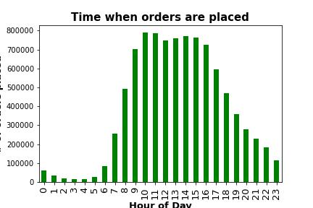
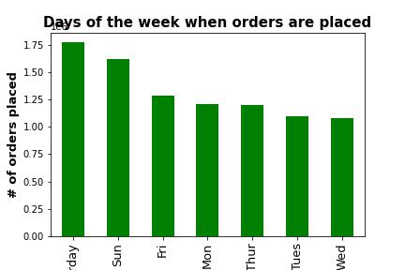
 |  |  |  |  |  |  |  |  |  |  |  |  |  |  | Recommendation: In order to increase sales of when Instacart is least busy, it is recommended to schedule ads Tues, Wednesday from Midnight until 7am.

Question #2: They also want to know whether there are particular times of the day when people spend the most money, as this might inform the type of products they advertise at these times.

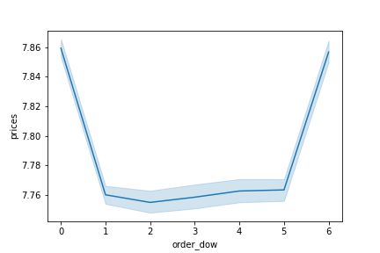
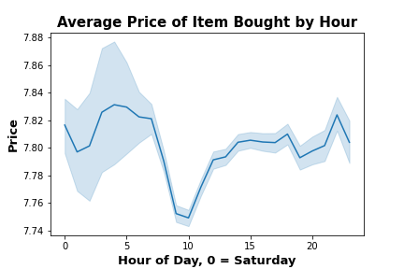
 |  |  |  |  |  |  |  |  |  |  |  |  |  |  | Recommendation: I would recommend ooking into what is being advertised around 10 am on the weekdays.
 |  |  |  |  |  |  |  |  |  |  |  |  |  |  |  | If there are no advertisements, that might be a good time to start as that is when prices are the lowest throughout the day/week.

 |  |  |  |  |  |  |  |  |  |  |  |  |  |  |  | Highest average product price is see on Saturdays and then Fridays with lowert being throughout the week.
 |  |  |  |  |  |  |  |  |  |  |  |  |  |  |  |  | 0 = Sat
 |  |  |  |  |  |  |  |  |  |  |  |  |  |  |  |  | 1 = Sun
 |  |  |  |  |  |  |  |  |  |  |  |  |  |  |  |  | 2 = Mon
 |  |  |  |  |  |  |  |  |  |  |  |  |  |  |  |  | 3 = Tues
 |  |  |  |  |  |  |  |  |  |  |  |  |  |  |  |  | 4 = Wed
 |  |  |  |  |  |  |  |  |  |  |  |  |  |  |  |  | 5 = Thurs
 |  |  |  |  |  |  |  |  |  |  |  |  |  |  |  |  | 6 = Thurs

Question #3: Instacart has a lot of products with different price tags. Marketing and sales want to use simpler price range groupings to help direct their efforts.

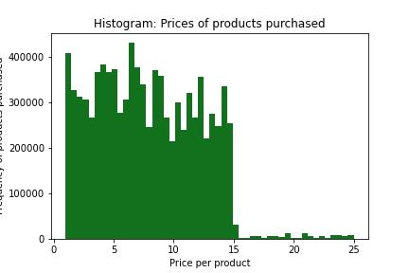
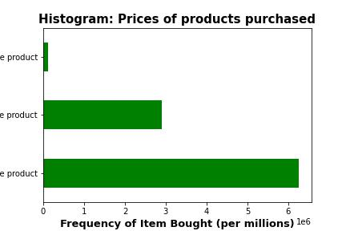

 |  |  |  |  |  |  |  |  |  |  |  |  |  |  |  | Recommendation: Keep prices in mid range or low range for customers
 |  |  |  |  |  |  |  |  |  |  |  |  |  |  |  |  | This was broken down into Low, mid, and high range product
 |  |  |  |  |  |  |  |  |  |  |  |  |  |  |  |  |  | Low = $5 or below
 |  |  |  |  |  |  |  |  |  |  |  |  |  |  |  |  |  | Mid = Above$ 5 and below $15
 |  |  |  |  |  |  |  |  |  |  |  |  |  |  |  |  |  | High = $15 or higher
 |  |  |  |  |  |  |  |  |  |  |  |  |  |  |  |  | Most products are purched in the mid range category between $5 and 15.
 |  |  |  |  |  |  |  |  |  |  |  |  |  |  |  |  | Fewest products were purchased in the high range.

Question #4: Are there certain types of products that are more popular than others? The marketing and sales teams want to know which departments have the highest frequency of product orders.
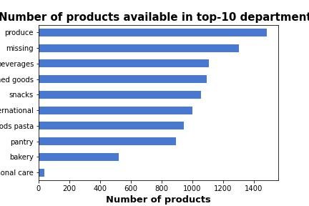
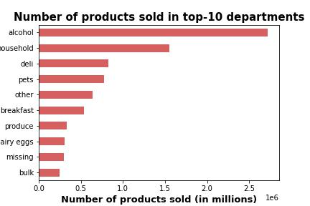

 |  |  |  |  |  |  |  |  |  |  |  |  | Recommendation:
 |  |  |  |  |  |  |  |  |  |  |  |  |  | Alcohol and household items are the top sellers.
 |  |  |  |  |  |  |  |  |  |  |  |  |  | Suggestion: Reduce number of available products in produce and increase number of available products in alcohol and household

Question #4: The marketing and sales teams are particularly interested in the different types of customers in their system and how their ordering behaviors differ.

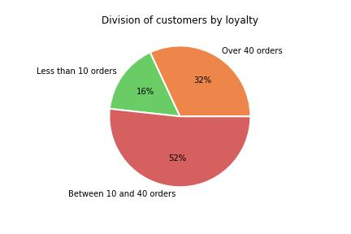
 | Customer Loyalty:
 |  |  |  |  |  |  |  | Customer Loyalty Defined:
 |  |  |  |  |  |  |  |  | Loyal Customer: Over 40 orders
 |  |  |  |  |  |  |  |  | New Customer: Less than 10 ordres
 |  |  |  |  |  |  |  |  | Regular Customer between 10-40 orders

 |  |  |  |  |  |  |  | Most of the orders placed are from Regular Customers, followed by Loyal Customers. 16% of orders are from New Customers
 |  |  |  |  |  |  |  | Continue targeting regular customers and rewarding loyal customers to keep their numbers high.

 |  | loyalty_flag | midwest | northeast | south | west |  | The largest percentage of customers are regular customers. This is the same for every region.
 |  | Loyal Customer | 31.58 | 31.9 | 32.07 | 32.13
 |  | New Customer | 16.28 | 16.42 | 16.38 | 16.24
 |  | Regular Customer | 52.14 | 51.68 | 51.56 | 51.63

 | Median Days Between Orders

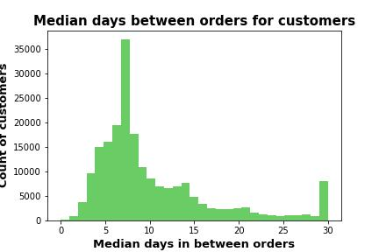
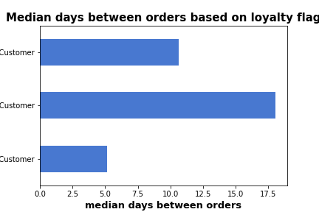

 |  |  | median_order_duration |  |  |  |  | Regular Customers order about every 11 days
 |  | loyalty_flag | mean |  |  |  |  | New Customers order about every 18 days
 |  |  |  |  |  |  |  | Loyal Customers order about every 5 days
 |  | Loyal Customer | 5.1706080214
 |  | New Customer | 18.043116234
 |  | Regular Customer | 10.610199068 |  |  |  |  | ** Loyal Customers have the shortest time between orders.
 |  |  |  |  |  |  |  |  | Recommend looking into why regular customers order every 11 days and if there is a way to decrease that.
 |  |  |  |  |  |  |  |  | Continue to keep rewarding loyal customers to keep them ordering every 5 days.

 |  | Common Ordering Day

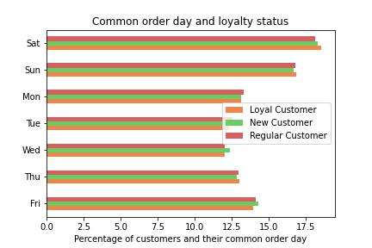
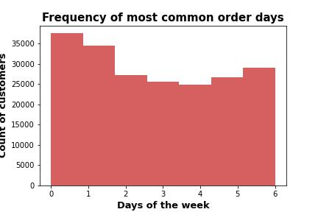

 |  |  |  |  |  |  |  |  |  |  |  |  |  | Recommendation:
 |  |  |  |  |  |  |  |  |  |  |  |  |  |  | Since Wednesday is a low order day and New Customers puchase the most on Wednesdays, it is recommended to include promotions for new customers on Wednesday.

 |  | Order Day by Income

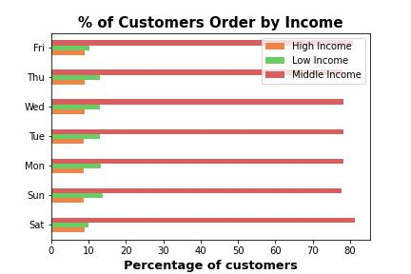

 |  |  |  |  |  |  |  |  |  |  | Results: Midle Income are the largest group of customers that order every day of the week.
 |  |  |  |  |  |  |  |  |  |  | High income order the fewest items every day of the week.

 |  | Pet Supply Purchases and Gender

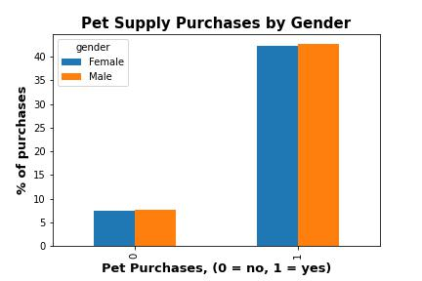

 |  |  |  |  |  |  |  |  |  |  | Results: There is not a difference in gender with regards to purchasing pet products.

 |  | Pet Supply Purchases by State

 |  |  | State | % of Pet Purchases |  | Top 5 States |  |  |  | Results: Recommend promoting pet supply products in the top 5 states
 |  |  | Alabama | 1.9552964196 |  | State | Value Counts
 |  |  | Alaska | 1.9700244122 |  | Pennsylvania | 165620
 |  |  | Arizona | 2.0364589491 |  | California | 161600
 |  |  | Arkansas | 1.9685528815 |  | Georgia | 161059
 |  |  | California | 2.0499944944 |  | Arizona | 160533
 |  |  | Colorado | 1.950539316 |  | Rhode Island | 160454
 |  |  | Connecticut | 1.9170366213
 |  |  | Delaware | 1.9868962728
 |  |  | District of Columbia | 1.9029682804
 |  |  | Florida | 1.9447673637
 |  |  | Georgia | 2.0431315797
 |  |  | Hawaii | 1.9566918366
 |  |  | Idaho | 1.8621206178
 |  |  | Illinois | 1.9445897651
 |  |  | Indiana | 1.941507162
 |  |  | Iowa | 1.9116832941
 |  |  | Kansas | 1.9646076569
 |  |  | Kentucky | 1.9447546781
 |  |  | Louisiana | 1.9755299667
 |  |  | Maine | 1.9819996276
 |  |  | Maryland | 1.9248128999
 |  |  | Massachusetts | 1.9680327715
 |  |  | Michigan | 1.9484461904
 |  |  | Minnesota | 1.9824055671
 |  |  | Mississippi | 1.9614235689
 |  |  | Missouri | 1.975682194
 |  |  | Montana | 1.9702146963
 |  |  | Nebraska | 1.9301281703
 |  |  | Nevada | 1.9840800675
 |  |  | New Hampshire | 1.8909169514
 |  |  | New Jersey | 1.9210072171
 |  |  | New Mexico | 2.0044277851
 |  |  | New York | 1.9472918
 |  |  | North Carolina | 2.0117981243
 |  |  | North Dakota | 1.9461754663
 |  |  | Ohio | 1.9256628358
 |  |  | Oklahoma | 2.0127114881
 |  |  | Oregon | 1.9795893617
 |  |  | Pennsylvania | 2.1009906446
 |  |  | Rhode Island | 2.035456786
 |  |  | South Carolina | 1.998326007
 |  |  | South Dakota | 1.9511609109
 |  |  | Tennessee | 1.9315870154
 |  |  | Texas | 1.9809974644
 |  |  | Utah | 1.8702520935
 |  |  | Vermont | 1.8806416077
 |  |  | Virginia | 2.0221242104
 |  |  | Washington | 1.9292528633
 |  |  | West Virginia | 1.8964732483
 |  |  | Wisconsin | 1.9256501502
 |  |  | Wyoming | 1.9831286468

 |  | Snack Purchases by Hour

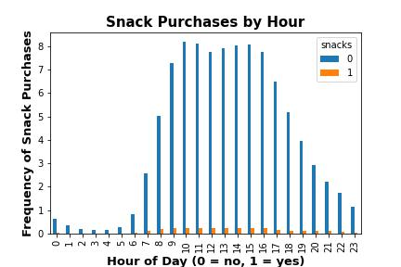
 |  |  |  |  |  |  | Results: Snacks are frequently bought between 9am - 3pm.
 |  |  |  |  |  |  | Recommend snack ads for the early morning times between midnight and 7am.

 |  | Age vs. Income

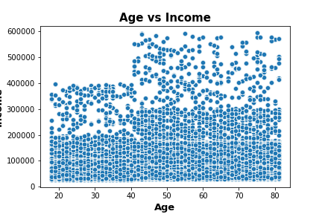

 |  |  |  |  |  |  | Results: Most customers 40 or younger make about $200,000 or less. There are seval that go up to $400,000 but those are the exception.
 |  |  |  |  |  |  | Most customer after 40 have an average income range about $300,000 or less, but there are some that go up to $600,000.

7. Recommendations
 |  | Title page

Recommendations

In this tab you should include any recommendations you would made to Instcart in terms of their marketing strategy based on the questions posed in the brief. Every key question has been covered in the Tasks of the Exercises - here you need to add an item - a visualisation or table/crosstable that is showing the answer in the data, acompanied by a comment from you. Please, list the questions below and add the answer underneath.

Question | Answer
Key Question 1 | Listed on Tab 6
Key Question 2 | Listed on Tab 6
Key Question 3 | Listed on Tab 6
Key Question 4 | Listed on Tab 6
Key Question 5 | Listed on Tab 6
Key Question 6 | Listed on Tab 6
Key Question 7 | Listed on Tab 6

